GOH
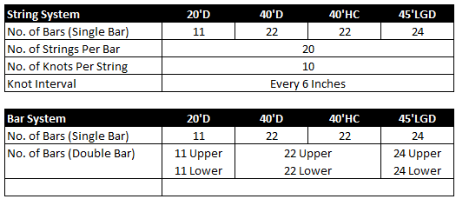
Supplementary Information for GOH
15) Garment on Hanger (GOH):
 | ONE Standard GOH: | System: |  | Specification of ONE Standard GOH:
 |  | Container Size:
 | Non ONE Standard GOH | System:
 |  | Container Size:
 |  | No. of Upper Bars:
 |  | No. of Lower Bars: (for Double Bar System Only)
 |  | Strings Per Bar: (for String System Only)
 |  | Knot Per String: (for String System Only)
 |  | Knot Interval in cm: (for String System Only)
 | Empty Pick Up Date**: |  |  | **ONE Standard: Please allow min. 2 working days; **Non-ONE Standard: Empty available time subject to confirmation; **Cancellation charges may apply once booking is confirmed.
 | Empty Pick Up Time**:
 | Remarks:

 | Keys
 | Container Size | Ctnr Type | GOH System
 | 20' | GP | String System - Single Bar
 | 40' | RF | Bar System - Single Bar
 | 40'H | OPEN TOP | Bar System - Double Bar
 | 45' | FLAT RACK

